Information
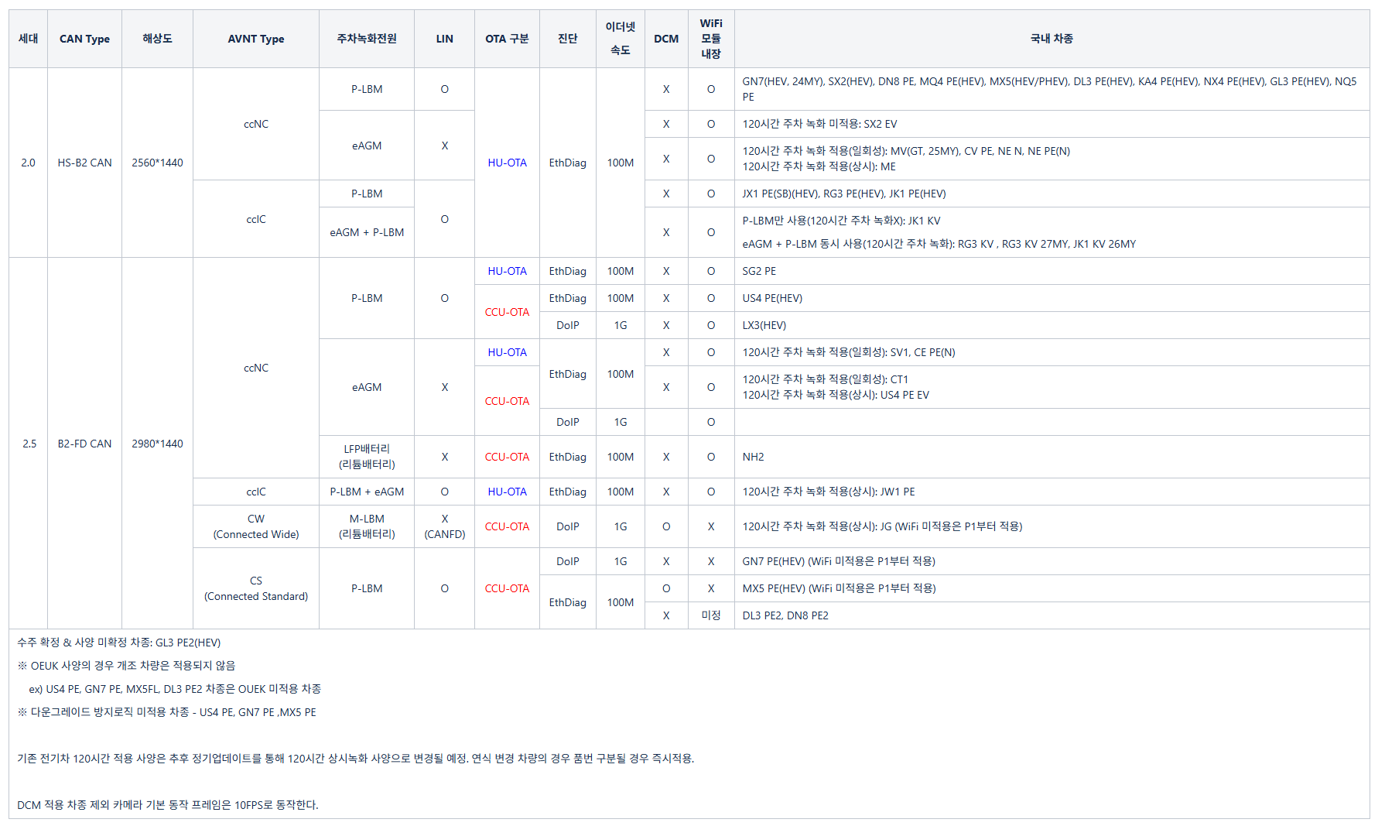
Car type
Generation
CAN-TYPE
AVNT TYPE
OTA
Ethernet speed
HU version

version information |  | version | zip File
Source Version
Target Version | 정상
 | 전자서명 훼손
 | USB, FG 업데이트 Fail

TestCase
CCU OTA Verification

Verification items | ID | Detail | Execution Procedure | Expected value | Judgment | Capture | Log file |  | Specification | Overseas | Note
OTA update | OTA_01 | Same version update | ▪ Turn on Driving Continuous Recording ▪ Base Version (xx.xx.xx.x0) ▪ Start H-OTA update for the same version (xx.xx.xx.x0) : SourceAddr : CCU : 0x0F00 : In the H-OTA tool, select Wireless-Rules or Add Background-Transfer + Add Pre Procedure + Add Activation + Add Post Procedure, then Apply > Start ▪ Check version after update is complete | ▪Verified successful update to Target Version (xx.xx.xx.x0) ▪Verified normal resumption of driving recording ▪Verified no issues with driving recording files | PASS | 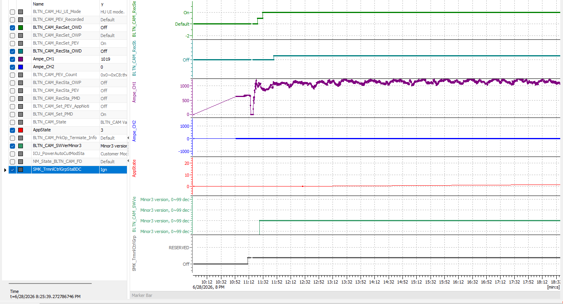 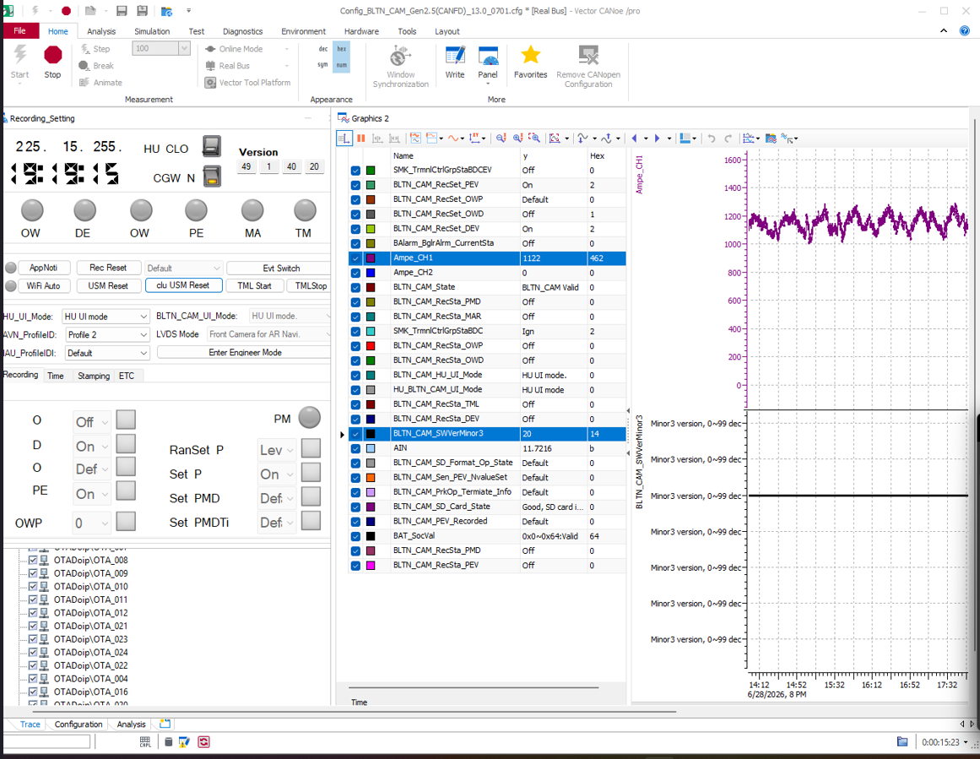 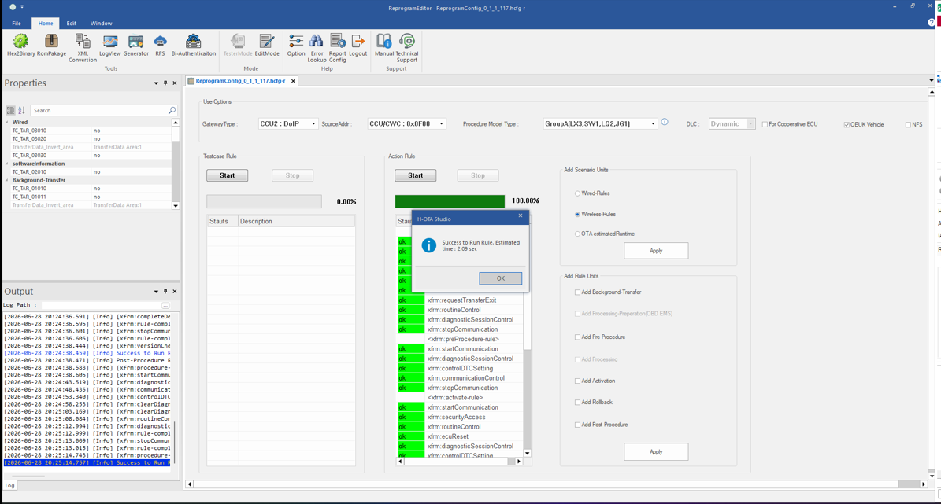 |  | PASS | Commonness | Domestic market, Japan, Russia, North America, Middle East | ※ All models excluding Europe
 | OTA_05 | Update to Normal ROM Version : Turn Off Parking Continuous Recording Setting | ▪ Turn off Parking Continuous Recording ▪ Base Version (xx.xx.xx.x0) ▪ Start H-OTA (xx.xx.xx.x1) Version Update : SourceAddr : CCU : 0x0F00 : In the H-OTA tool, select Wireless-Rules or Add Background-Transfer + Add Pre Procedure + Add Activation + Add Post Procedure, then Apply > Start ▪ Turn off KEY while Pre Procedure is in progress ▪ Check version after update is complete | ▪ Verify successful update with Target Version (xx.xx.xx.x1) ▪ Check quiescent current after update is complete ▪ Check Network Sleep after update is complete : CAN Sleep, Current Consumption, Power Conversion | PASS |  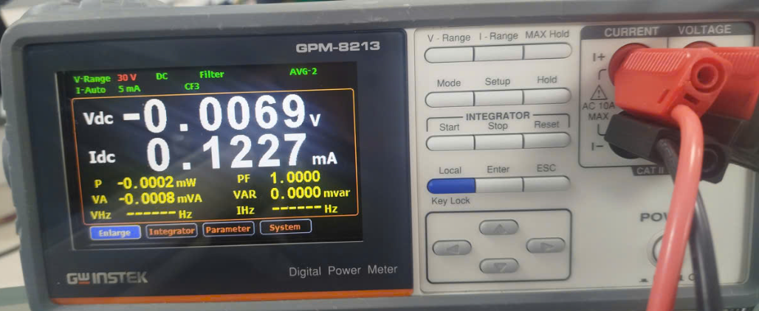 |  | PASS | Commonness | Commonness | ※ Export Common: Domestic, Japan, Russia, North America, Europe, Middle East - Europe, Middle East, Russia: Continuous recording while parked is set to default - Domestic, Japan, JG, Russia, North America: Continuous recording while parked is set to off ※ Continuous recording while parked and event recording while parked are enabled only for JG models
OTA Update : Bad Review | OTA_09 | Resume after power off before switching to PROTECTED mode. | ▪Base Version (xx.xx.xx.x0) ▪Start H-OTA (xx.xx.xx.x1) Update : SourceAddr : CCU : 0x0F00 : In the H-OTA tool, select Wireless-Rules or Add Background-Transfer + Add Pre Procedure + Add Activation + Add Post Procedure, then Apply > Start ▪Remove the built-in cam B+ at the end of the Pre Procedure or immediately after starting the activate-rule (before switching to PROTECTED mode), and stop the H-OTA tool. ▪Reconnect the B+ after waiting 30 seconds. ▪In the H-OTA tool, select only Pre Procedure, Activation, and Post Procedure, then Apply > Start | ▪Confirmed no timeout warning logs in routineControl when executing activate-rule ▪Confirmed successful update to Target Version (xx.xx.xx.x1) | PASS | 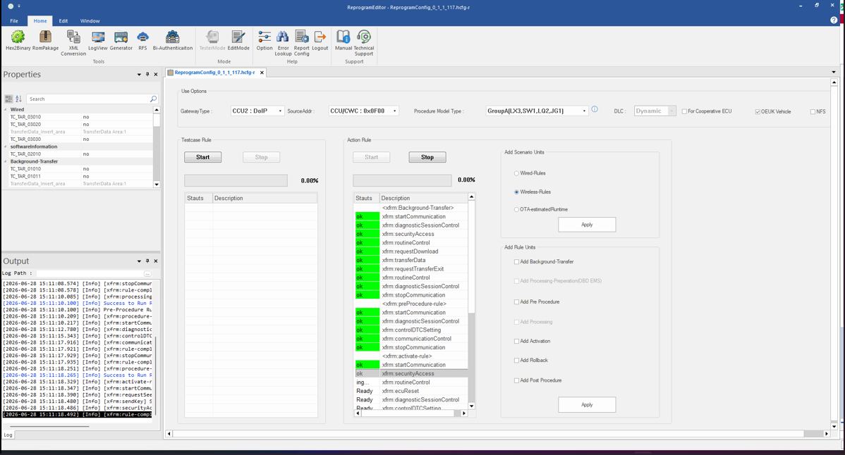 |  | PASS | Commonness | Commonness
 | OTA_10 | Resume after power off following switch to PROTECTED mode. | ▪Base Version (xx.xx.xx.x0) ▪Start H-OTA (xx.xx.xx.x1) Update : SourceAddr : CCU : 0x0F00 : In the H-OTA tool, select Wireless-Rules or Add Background-Transfer + Add Pre Procedure + Add Activation + Add Post Procedure, then Apply > Start ▪In <active-rule>, disconnect the built-in cam B+ at the routine control point, and stop the H-OTA tool. ▪Reconnect the B+ after waiting 30 seconds. ▪In the H-OTA tool, select only Pre Procedure, Activation, and Post Procedure, then Apply > Start | ▪Confirmed no timeout warning logs in routineControl when executing activate-rule ▪Confirmed successful update to Target Version (xx.xx.xx.x1) | PASS | 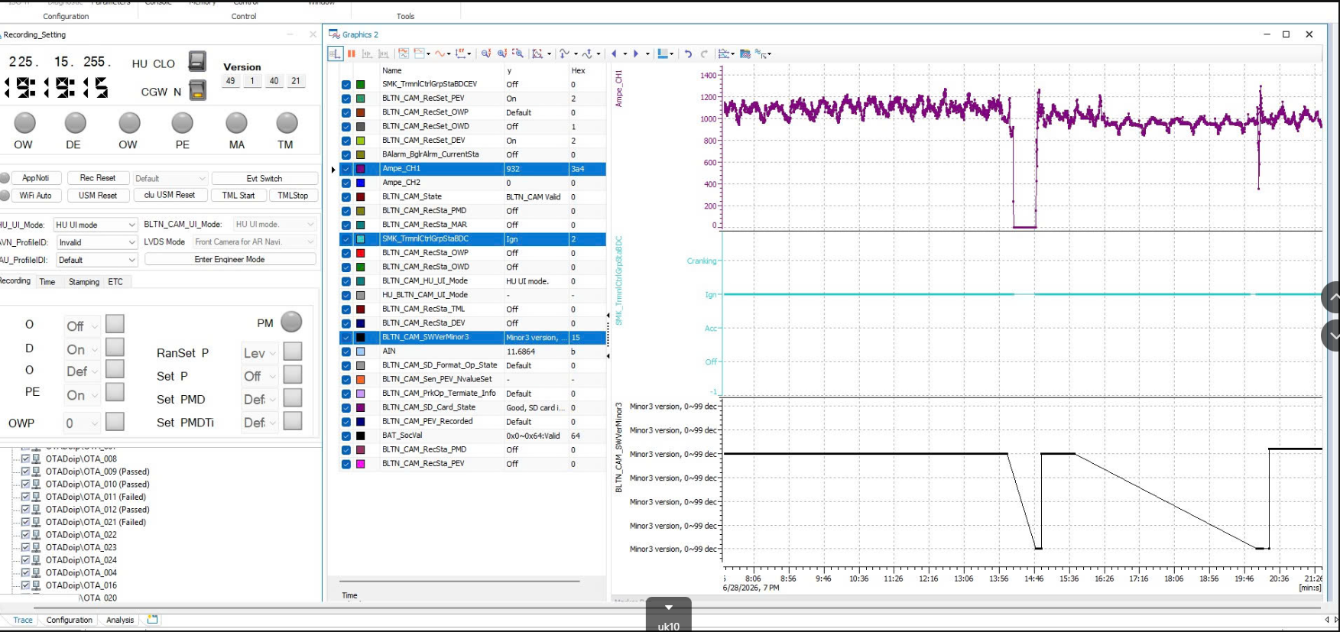 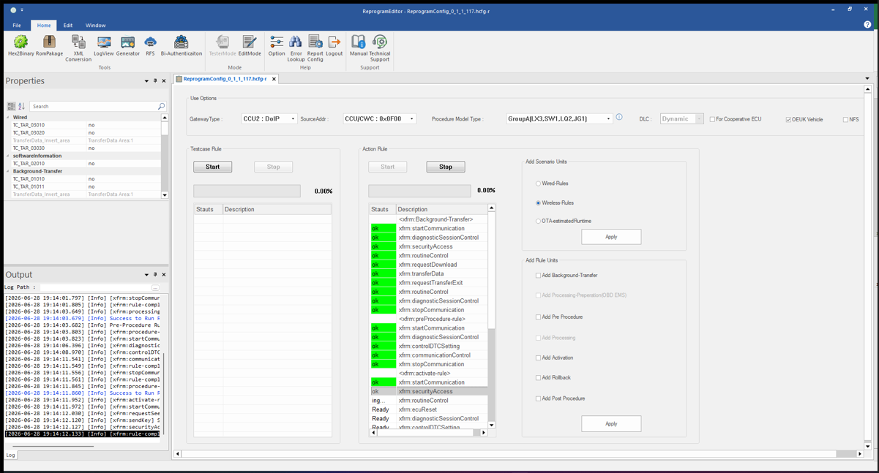 |  | PASS | Commonness | Commonness
 | OTA_11 | Repeat KEY RESET before switching to PROTECTED mode | ▪Base Version (xx.xx.xx.x0) ▪Start H-OTA (xx.xx.xx.x1) Update : SourceAddr : CCU : 0x0F00 : In the H-OTA tool, select Wireless-Rules or Add Background-Transfer + Add Pre Procedure + Add Activation + Add Post Procedure, then Apply > Start ▪Repeat Built-in Cam KEY RESET 5 times at the end of the Pre Procedure or immediately after starting the activate-rule (before switching to PROTECTED mode). | ▪Verified successful update to Target Version (xx.xx.xx.x1) | 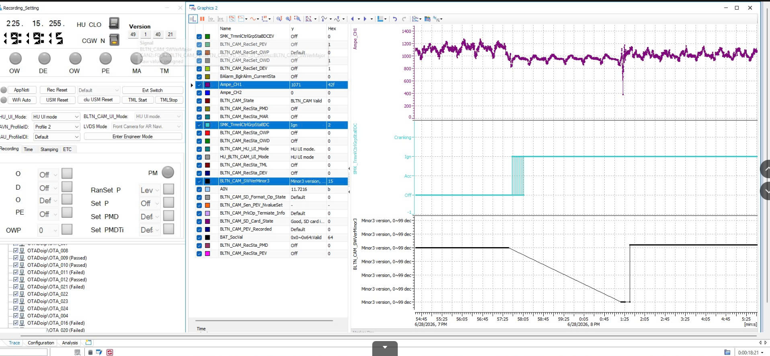 PASS | 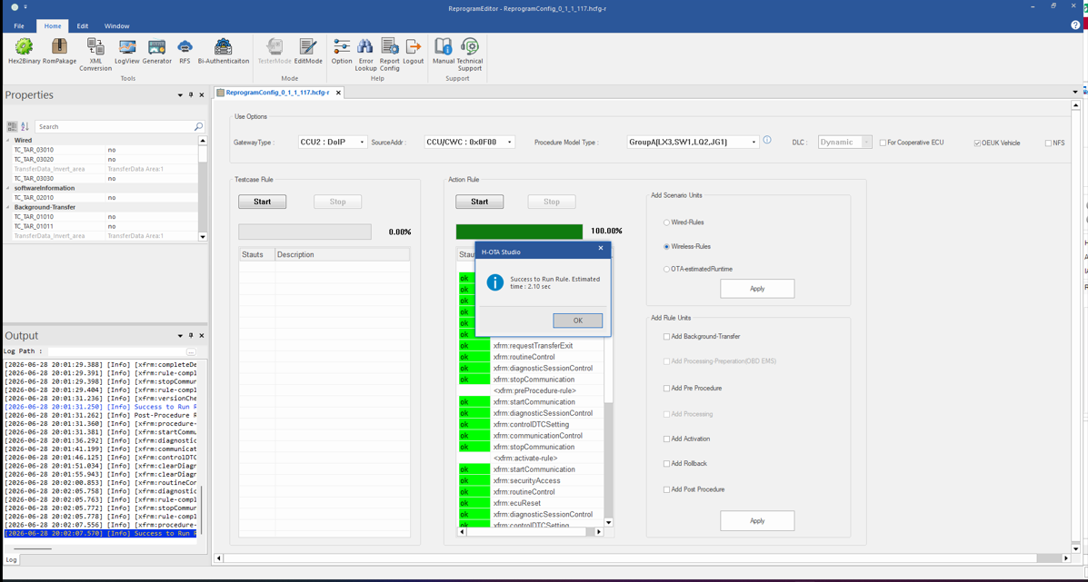 |  | PASS | Commonness | Commonness
 | OTA_12 | Repeat KEY RESET after switching to PROTECTED mode | ▪Base Version (xx.xx.xx.x0) ▪Start H-OTA (xx.xx.xx.x1) Update : SourceAddr : CCU : 0x0F00 : In the H-OTA tool, select Wireless-Rules or Add Background-Transfer + Add Pre Procedure + Add Activation + Add Post Procedure, then Apply > Start ▪In <active-rule>, repeat Built-in Cam KEY RESET 5 times at the routine Control point | ▪Verified successful update to Target Version (xx.xx.xx.x1) | PASS | 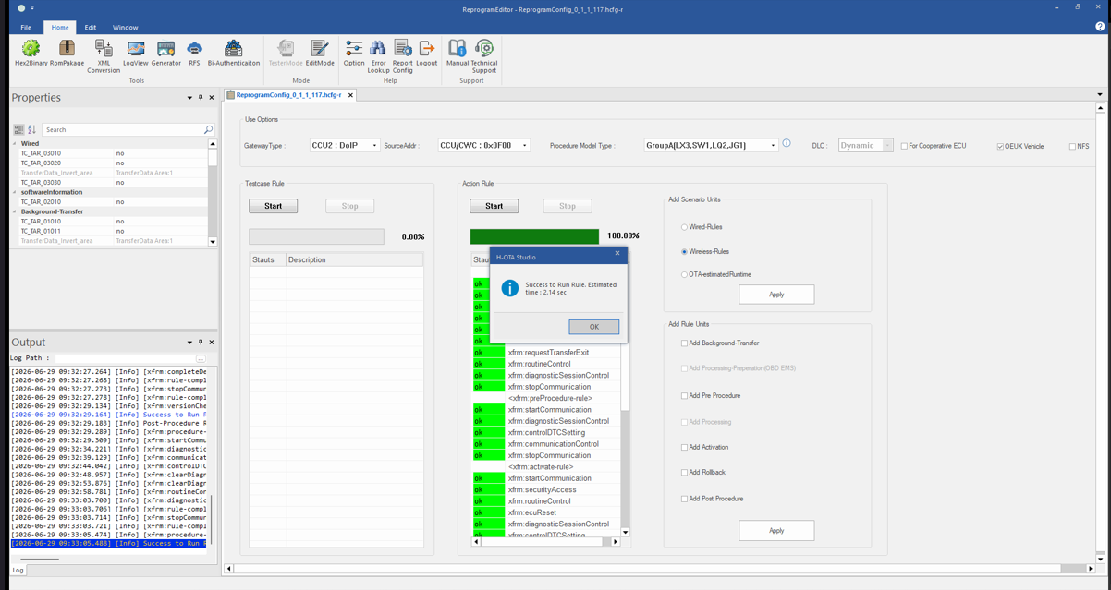 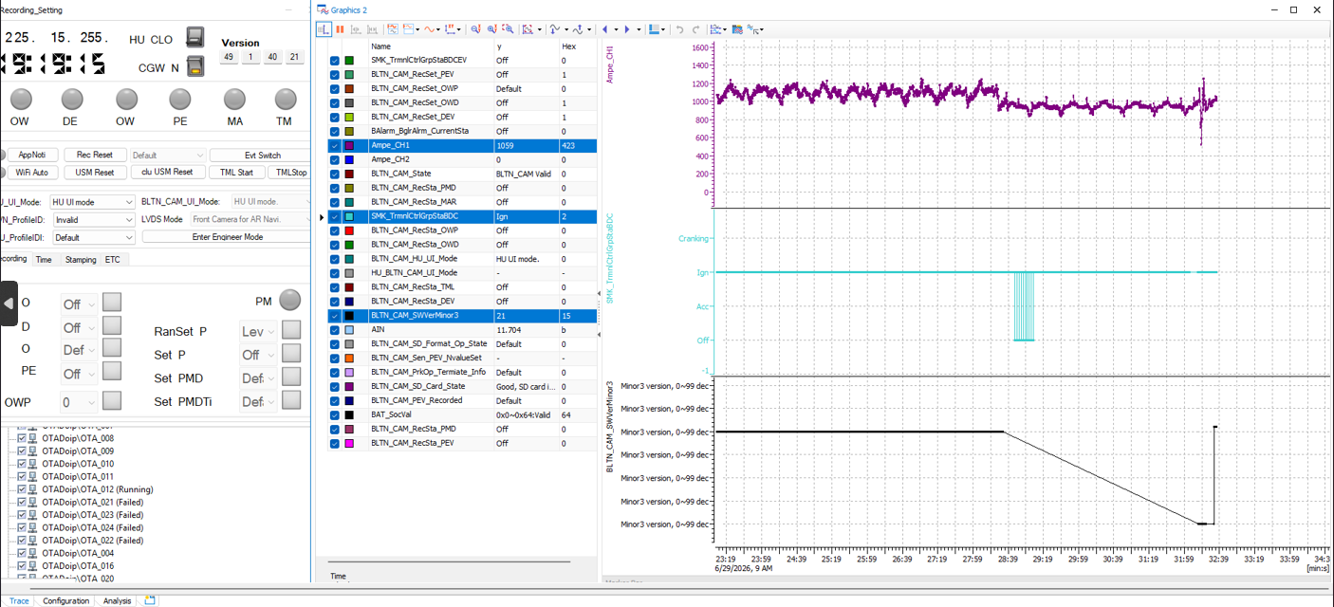 |  | PASS | Commonness | Commonness
Rollback prevention applied (OEUK applied) | OTA_13 | Check for vehicle rollback updates : Check OEUK Vehicle | ▪Base Version (xx.xx.xx.x1) : OEUK TEST KEY entered ▪H-OTA (xx.xx.xx.x1) Rollback Update started : SourceAddr : CCU : 0x0F00 : EditMode) Modify to target version (xx.xx.xx.x0) in Properties and save config : Tester mode) Check OEUK Vehicle Select Add Pre Procedure + Add Rollback + Add Post Procedure, then Apply > Start | ▪ Check update for rollback to Target Version (xx.xx.xx.x0) | PASS | 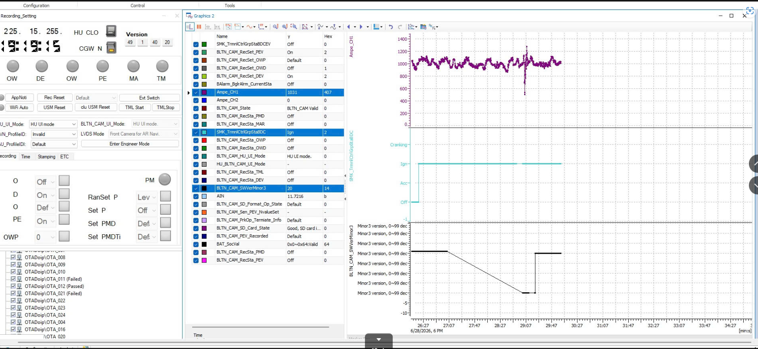 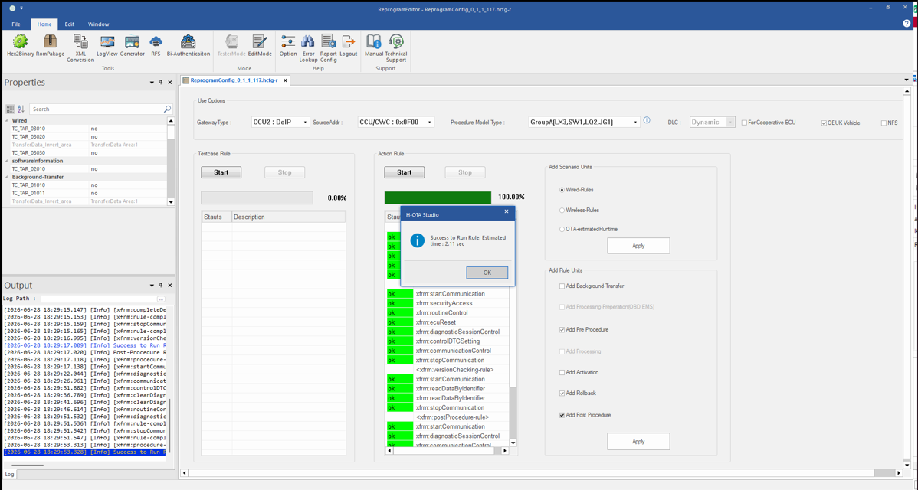 |  | PASS | Apply OEUK | Commonness
 | OTA_14 | Confirmation of vehicle rollback update failure : OEUK Vehicle unchecked | ▪Base Version (xx.xx.xx.x1) : OEUK TEST KEY entered ▪H-OTA (xx.xx.xx.x1) Rollback Update started : SourceAddr : CCU : 0x0F00 : EditMode) Modify to target version (xx.xx.xx.x0) in Properties and save config : Tester mode) OEUK Vehicle unchecked Select Add Pre Procedure + Add Rollback + Add Post Procedure, then Apply > Start | ▪Failed to rollback update to Target Version (xx.xx.xx.x0) | PASS | 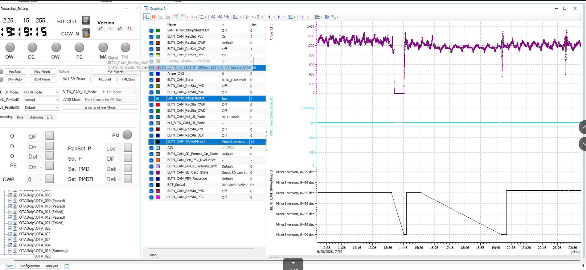 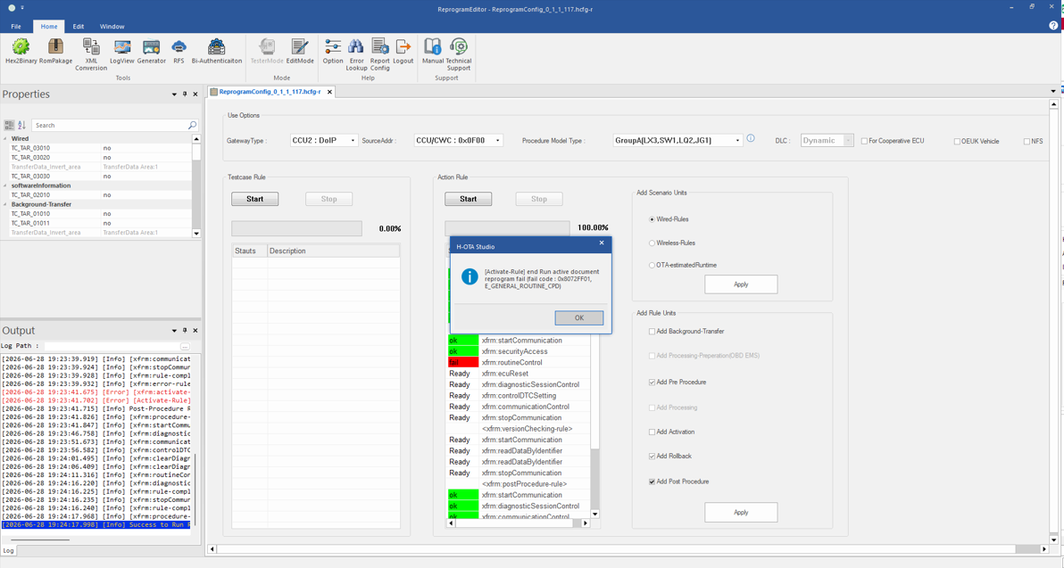 |  | PASS | Apply OEUK | Commonness
Downgrade protection applied (OEUK applied) | OTA_17 |  | ▪Base Version (xx.xx.xx.x1) ▪Start H-OTA (xx.xx.xx.x0) Downgrade Update : SourceAddr : CCU : 0x0F00 : Tester mode) Check OEUK Vehicle : In the H-OTA tool, select Add Background-Transfer + Add Pre Procedure + Add rollback + Add Post Procedure, then Apply > Start | ▪Check downgrade to Version (xx.xx.xx.x0) | PASS | 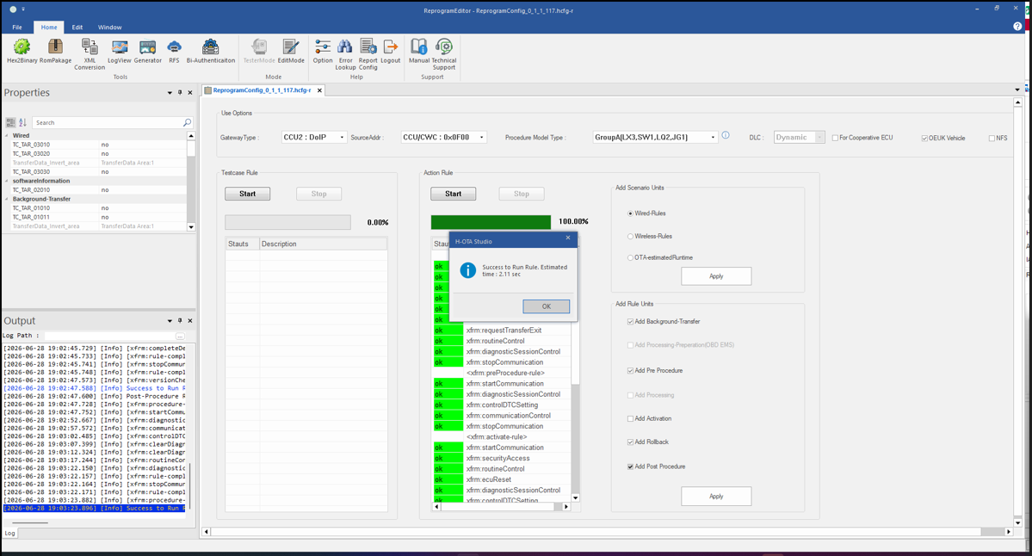 |  | PASS | Apply OEUK | Commonness
 | OTA_18 | Confirm Downgrade Failure : OEUK Vehicle Unchecked | ▪Base Version (xx.xx.xx.x1) ▪Start H-OTA (xx.xx.xx.x0) Downgrade Update : SourceAddr : CCU : 0x0F00 : Tester mode) OEUK Vehicle unchecked : In the H-OTA tool, select Wireless-Rules or Add Background-Transfer + Add Pre Procedure + Add Activation + Add Post Procedure, then Apply > Start | ▪Failed to downgrade to Version (xx.xx.xx.x0) | PASS | 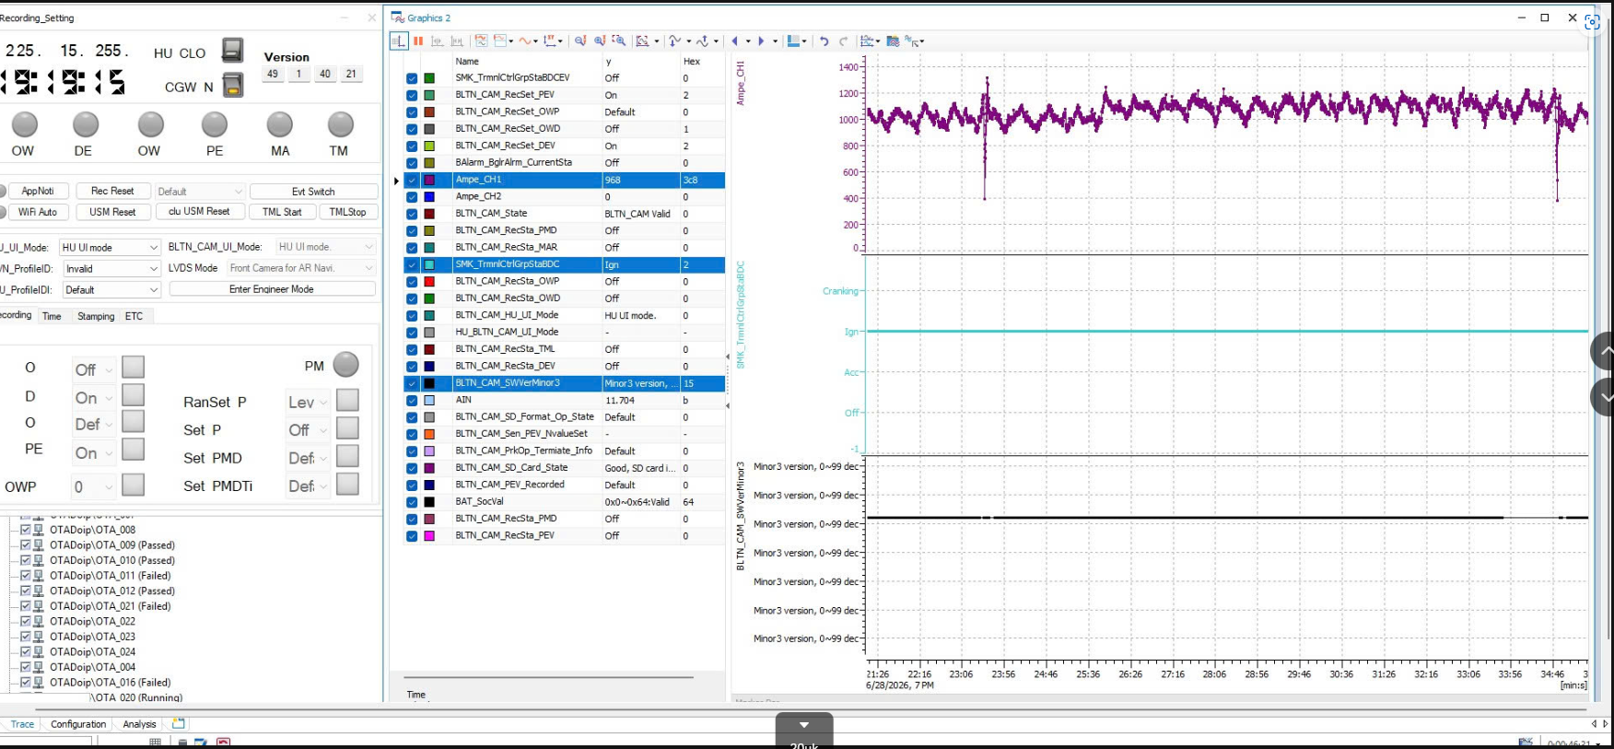 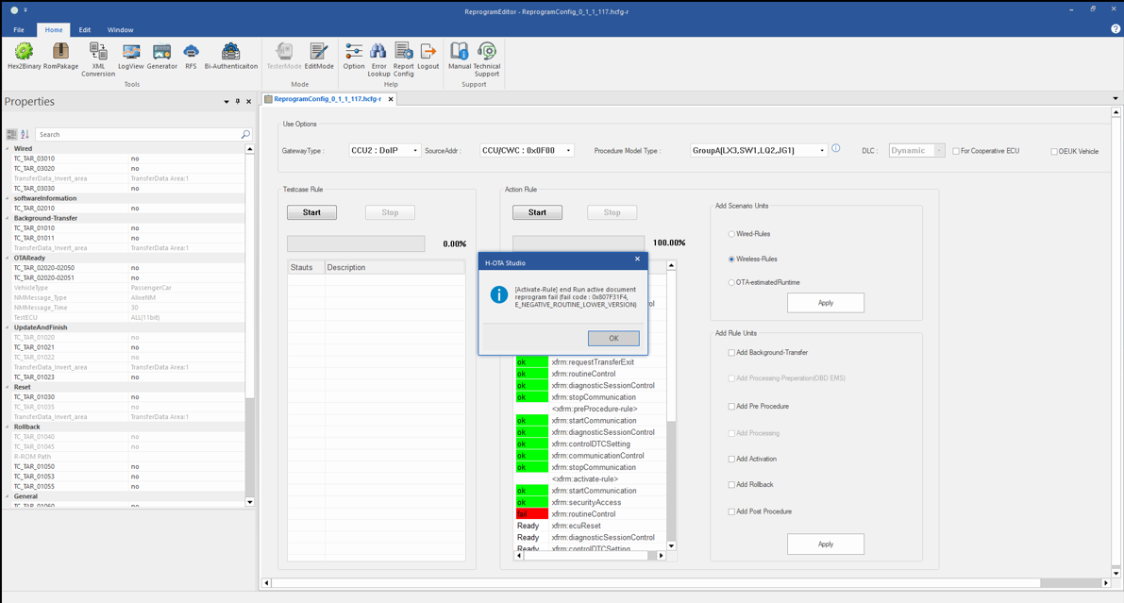 |  | PASS | Apply OEUK | Commonness
ERT update | OTA_21 | Same version update | ▪Base Version (xx.xx.xx.x0) ▪Start H-OTA ERT update for the same version (xx.xx.xx.x0) : SourceAddr : ERT : 0x1000 : In the H-OTA tool, select Wired-Rules, then Apply > Start ▪Check version after update is complete | ▪ Confirmed successful update to Target Version (xx.xx.xx.x0) ▪ Confirmed driving recording continued | PASS |  |  | PASS | Commonness | Domestic market, Japan, Russia, North America, Middle East | ※ All models excluding Europe
 | OTA_22 | Normal ROM version update | ▪Base Version (xx.xx.xx.x0) ▪Start H-OTA ERT (xx.xx.xx.x1) Version Update : SourceAddr : ERT : 0x1000 : In the H-OTA tool, select Wired-Rules, then Apply > Start ▪Check version after update is complete | ▪ Confirmed successful update to Target Version (xx.xx.xx.x1) ▪ Confirmed driving recording continued | 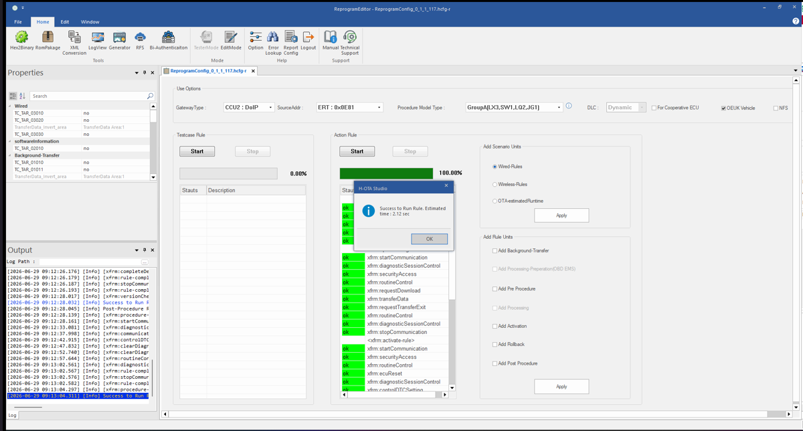 PASS |  |  | PASS | Commonness | Domestic market, Japan, Russia, North America, Middle East | ※ All models excluding Europe
 | OTA_23 | Digital Signature FAIL ROM Version Update | ▪Base Version (xx.xx.xx.x0) ▪Start H-OTA ERT (xx.xx.xx.x2) Version Update : SourceAddr : ERT : 0x1000 : In the H-OTA tool, select Wired-Rules, then Apply > Start ▪Check for Update Failure | ▪ Confirmed update failed to Target Version (xx.xx.xx.x0) ▪ Confirmed driving recording continued | PASS | 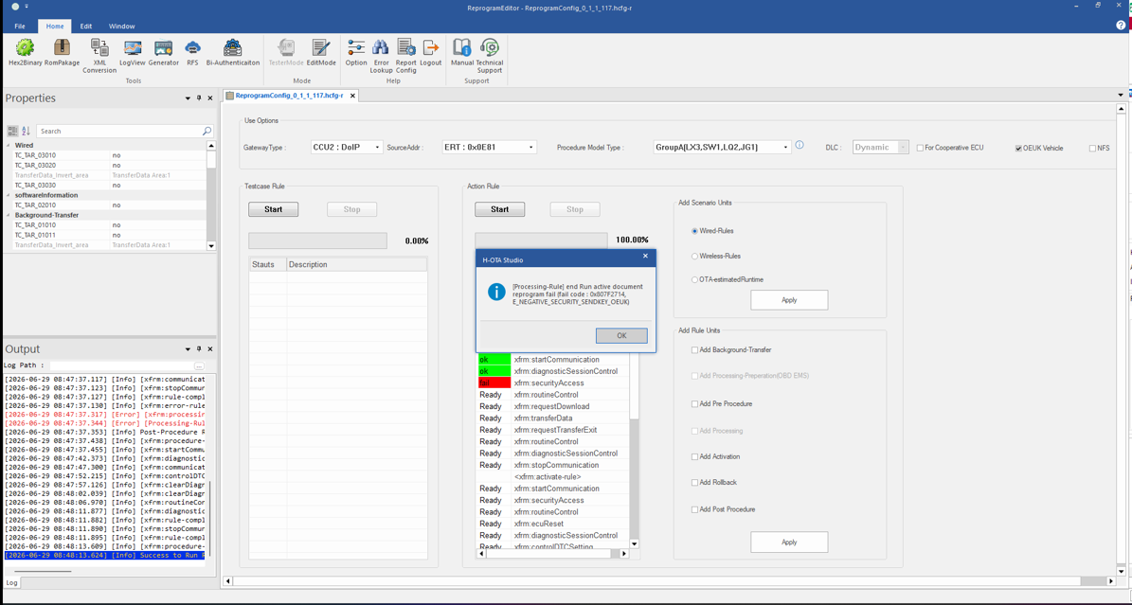 |  | PASS | Commonness | Domestic market, Japan, Russia, North America, Middle East | ※ All models excluding Europe
 | OTA_24 | USB, FG Update FAIL Version Update | ▪Base Version (xx.xx.xx.x0) ▪Start H-OTA ERT (xx.xx.xx.x3) Update : SourceAddr : ERT : 0x1000 : In the H-OTA tool, select Wired-Rules, then Apply > Start ▪Check for update failure | ▪ Confirmed update failed to Target Version (xx.xx.xx.x0) ▪ Confirmed driving recording continued |  PASS |  |  | PASS | Commonness | Domestic market, Japan, Russia, North America, Middle East | ※ All models excluding Europe

